Sheet1
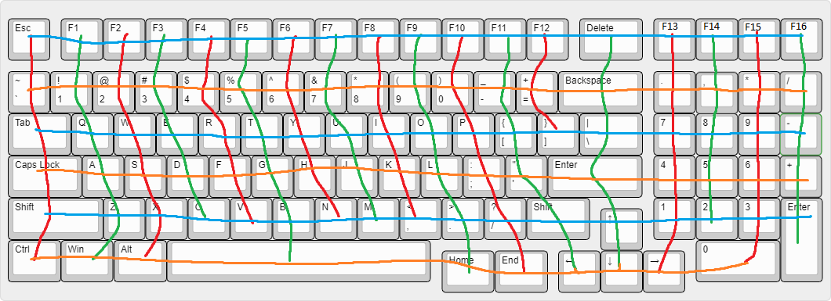

 |  |  |  |  |  |  |  |  |  |  |  |  |  |  |  |  |  |  | Microcontroller needs 24 signal pins minimum

 |  | Column
 |  | 0 | 1 | 2 | 3 | 4 | 5 | 6 | 7 | 8 | 9 | 10 | 11 | 12 | 13 | 14 | 15 | 16 | 17
Row | 0 | ESC | F1 | F2 | F3 | F4 | F5 | F6 | F7 | F8 | F9 | F10 | F11 | F12 | DEL | F13 | F14 | F15 | F16
 | 1 | TILDE | 1 | 2 | 3 | 4 | 5 | 6 | 7 | 8 | 9 | 0 | DASH | EQUAL | BKSPC | MOP1 | MOP2 | MOP3 | MOP4
 | 2 | TAB | Q | W | E | R | T | Y | U | I | O | P | LBRKT | RBRKT | BSLSH | NUM7 | NUM8 | NUM9 | MINUS
 | 3 | CAPS | A | S | D | F4 | G | H | J | K | L | SMCLN | APOST |  | ENTER | NUM4 | NUM5 | NUM6 | PLUS
 | 4 | LSHFT | Z | X | C | V | B | N | M | COMMA | PRD | SLSH | RSHFT |  | UP | NUM1 | NUM2 | NUM3 | NUMEN
 | 5 | CTRL | WIN | ALT |  |  | SPACE |  |  |  | HOME | END | LEFT |  | DOWN | RIGHT |  | NUM0

key sizes

 |  | Column
 |  | 0 | 1 | 2 | 3 | 4 | 5 | 6 | 7 | 8 | 9 | 10 | 11 | 12 | 13 | 14 | 15 | 16 | 17
Row | 0 | 1U | 1U | 1U | 1U | 1U | 1U | 1U | 1U | 1U | 1U | 1U | 1U | 1U | 1.5U | 1U | 1U | 1U | 1U
 | 1 | 1U | 1U | 1U | 1U | 1U | 1U | 1U | 1U | 1U | 1U | 1U | 1U | 1U | 2U | 1U | 1U | 1U | 1U
 | 2 | 1.5U | 1U | 1U | 1U | 1U | 1U | 1U | 1U | 1U | 1U | 1U | 1U | 1U | 1.5U | 1U | 1U | 1U | 1U
 | 3 | 1.75U | 1U | 1U | 1U | 1U | 1U | 1U | 1U | 1U | 1U | 1U | 1U |  | 2.25U | 1U | 1U | 1U | 1U
 | 4 | 2.25U | 1U | 1U | 1U | 1U | 1U | 1U | 1U | 1U | 1U | 1U | 1.5U |  | 1U | 1U | 1U | 1U | 2Uvert
 | 5 | 1.25U | 1.25U | 1.25U |  |  | 6.25U |  |  |  | 1.25U | 1.25U | 1U |  | 1U | 1U |  | 1U

Annotation map in kicad schematic (MX#/D#)

 |  | Column
 |  | 0 | 1 | 2 | 3 | 4 | 5 | 6 | 7 | 8 | 9 | 10 | 11 | 12 | 13 | 14 | 15 | 16 | 17
Row | 0 | 1 | 2 | 3 | 4 | 5 | 6 | 7 | 8 | 9 | 10 | 11 | 12 | 13 | 14 | 15 | 16 | 17 | 18
 | 1 | 19 | 20 | 21 | 22 | 23 | 24 | 25 | 26 | 27 | 28 | 29 | 30 | 31 | 32 | 33 | 34 | 35 | 36
 | 2 | 37 | 38 | 39 | 40 | 41 | 42 | 43 | 44 | 45 | 46 | 47 | 48 | 49 | 50 | 51 | 52 | 53 | 54
 | 3 | 55 | 56 | 57 | 58 | 59 | 60 | 61 | 62 | 63 | 64 | 65 | 66 |  | 67 | 68 | 69 | 70 | 71
 | 4 | 72 | 73 | 74 | 75 | 76 | 77 | 78 | 79 | 80 | 81 | 82 | 83 |  | 84 | 85 | 86 | 87 | 88
 | 5 | 89 | 90 | 91 |  |  | 92 |  |  |  | 93 | 94 | 95 |  | 96 | 97 |  | 98

